Follow up
Follow up progress of link weight check system project

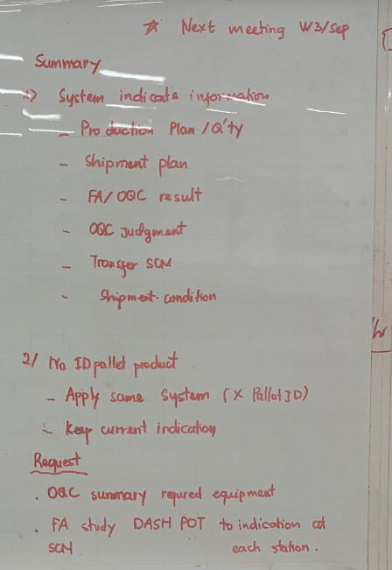
Date | No | Item | Current Situation | Section Request | PIC | Deadline | IT Solution | Situation | Remark
11-Sep-24 | 1 | Inform window person to incharge | - | OQC/FA/SCM: . Full name . Email address . Phone | OQC/FA/SCM | 13-Sep-24
 | 2 | Review require equipment | OQC: . Tablet windows: 1pcs (Connect with barcode reader) . Network: 0 FA: ? SCM: ? | OQC: . Tablet windows: 8pcs (Connect with barcode reader) . Network: 4 stations FA: ? SCM: ? | OQC/FA/SCM | 13-Sep-24
 | 3 | Details of workflow (OQC/FA/SCM) | Detail workflow current situation of process <Details> | New desired workflow <Details> | OQC/FA/SCM | 17-Sep-24
 | 4 | OQC judgment lot | Chop stamp on slip sheet for OK lot | OQC will judge lot after finish inspection all sample Q'ty regardless of whether production has ended (Lot: Change another model or finish working shift) | OQC/FA
 | 5 | Indentify 1 lot | 1 model produced on 1 line/1 shift | There is another model to insert running while current model is running => Swiching model time is counted a new lot | OQC/FA/IT
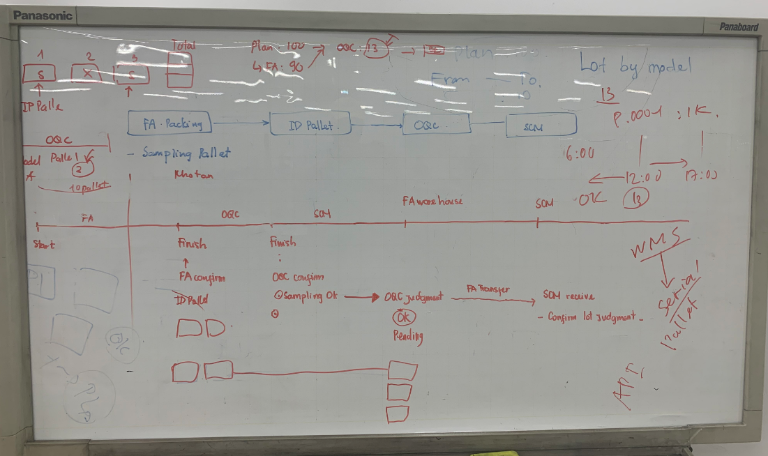
 | 6 | Abnormal production | Have 2 cases only: . Urgent shipmet . Machine trouble | OQC will separate new lot | FA/OQC
 | 7 | Model no ID pallet | Keep current indication
 | 8 | Priority shipment models | Just transfer | SCM confirm and inform to IT: IT will link system with database | IT/SCM | 17-Sep-24
 | 9 | Transfer from FA to SCM | Indentify OQC OK stamp on slip sheet | By system: Confirm on server | IT/SCM
 | 10 | FA/SCM study DASH BOARD to indicate | No indicate | Which item want to indicate => Demo indication details ? | FA/SCM/OQC | 17-Sep-24
 | 11 | Tracebility to check history | None | System can trace history | All
18-Sep-24 | 12 | Transfer from FA to SCM | 1. OQC confirm OK Stamping on the slip sheet 2. FA Manual check OQC Stamping OK 3. FA munual transfers on the SAP system for SCM 4. Manual printing movement slip and tranfers actual for SCM | 1. OQC confirm OK Stamping on the system ID pallet number buy ID pallet number 2. FA check OQC Stamping OK and transfer to SCS buy VPA => 2 case - Case 1. If OQC stamped OK, automatically transfer the SCS warehouse Case 2: If QC has not stamped OK, keep it at FA 3. Displays SCS transferred status on pallet ID system | IT/FA/OQC/SCS

 |  |  |  | 1280

